ITP-xxx
 |  |  | Inspection and Test Plan - Placement of Cement Treated Layer |  |  |  |  |  |  |  | Document # ITP-008
 |  |  |  |  |  |  |  |  |  |  | Revision : 1

Client: |  | DTP |  | Construction Process: |  | Prepared by: |  | Reviewed by : |  |  | Approved by :
Project: |  | Midland Highway RAB |  | Cement Treated Layer |  | Name: | Syeed Abu | Name: |  |  | Name: | Simon Jaworski
Contract No: |  | DOT |  | Specifications: VicRoads Specification Section 173 , 306
 |  |  |  | Structure / Component: Pavement Construction |  | Signed : |  | Signed : |  |  | Signed :
 |  |  |  | Location: |  | Date : |  | Date : |  |  | Date :

Lot No: | Lot 3 |  | Lot Details: | West Layer 1 |  |  |  |  | Lot Size/ Quantity:

Item | Task/Activity Description |  | Inspection / Controls and Verification Detail |  |  |  |  | HP/ WP/ AP/ IP/ TP/ SCP | Responsibility | Checked by:
No. |  |  | Frequency | Acceptance Criteria | Reference Documents | Inspection / Test Method | Record of conformity |  | Project Engineer Site Engineer Superintendent Surveyor Foreman | Client | Fulton Hogan | FH's Sub-contractor | Date
1 | Preliminary Works
1.1 | Check for correct documentation |  | Prior to commencing any activity | Ensure that all employees and subcontractors are: - using the correct and complete set of drawings -all drawings are the latest revision | Drawings and drawing registers | Visual inspection | This ITP signed | HP* | Project Engineer / Site Foreman | N/A |  | N/A
1.2 | Material Mix Design |  | Prior to commencing any activity | Material proposed for import for 3% Class 3 CTCR (20mm) meets the requirements of VR Section 812 or 820. Obtain material compliance data from the supplier and submit to VRs for approval | Cl 812.04 Section 820.04 to 820.09 RC 500.02 | Document Review | Mix Design VicRoads Approval - Quarry Dockets | HP* | Project Engineer | N/A |  | N/A
1.3 | Implementation of all measures and controls |  | Prior to commencing any activity | All necessary measures and controls are being implemented, that is: QMP, TMP, SWMS & ITP | PSP, EMP, TMP, JSEA, SWMS, WP | Visual Inspection | This ITP signed | HP* | Project Engineer / Site Foreman | N/A |  | N/A
2 | Construction Works
2.1 | Materials |  | Each lot | The Contractor shall supply all materials required to construct the cementitious treated pavement subbase. The supply of Cementitious Treated Crushed Rock or Cementitious Treated Crushed Concrete shall comply with the requirements of Section 815. | Cl 306.04 | Visual Inspection | This ITP signed off | IP | Project Engineer / Site Foreman | N/A |  | N/A
2.2 | Moisture Content |  | Each lot | The moisture content of the material at the time of spreading and compaction, expressed as a percentage by mass, shall be within plus 0.5% and minus 1.0 % from the Modified optimum moisture content. | Cl 306.05 | Visual Inspection | This ITP signed off | IP | Project Engineer / Site Foreman | N/A |  | N/A
2.3 | Jointing |  | Each lot | The layout of joints shall conform to the following requirements unless otherwise approved by the Superintendent: (a) material shall be spread in such a manner as to minimise the number of joints; (b) in any layer, transverse joints in adjoining paver runs shall be offset by not less than 2 m; (c) transverse joints shall be offset from one layer to the next by not less than 2 m; (d) longitudinal joints shall be offset from one layer to the next by not less than 150 mm; (e) longitudinal joints shall be located within 300 mm of the planned position of traffic lane lines or within 300 mm of the centre of a traffic lane. | Cl 306.08 | Site Inspection | Signed ITP | IP | Project Engineer / Site Foreman | N/A |  | N/A
3 | Testing Requirements
3.1 | Survey Conformance |  | Each lot | Pavement subbase shall be finished to a smooth and uniform surface and shall, after compaction, conform within the following limits to the levels, lines, grades, thicknesses and cross sections as specified or shown on the drawings. (a) Width and Alignment The width of pavement measured on each side of the centreline or design line shall not deviate by more than 50 mm from the designed offset when measured at a right angle. (b) Surface Level of Subgrade and Pavement The surface level of the subgrade and pavement courses shall be measured in accordance with the requirements of Section 173 and every test lot shall meet requirements as specified in Clause 306.031 and 306.032 Surface level tolerances: Scale B - Range x = +6, -12mm: Scale of Surface level measurement: Scale B - Minimum 40 points per Lot | Cl 306.031 and CL 306.032 | String Sheets | String Report / Visiual and ITP Signoff | SCP | Engineer / Superintendent / foreman
3.2 | Compaction |  | Each lot | The cementitious treated subbase material shall be placed, trimmed to level and fully compacted within the maximum allowable working time specified in Table 306.091 depending on the binder type and the time of year the subbase is being placed.Except for the purpose of curing, no water shall be added to the cementitious treated material. The work represented by the lot will be accepted as far as compaction is concerned if the mean density ratio for the lot is not less than 96.0%. If the mean of the individual density ratio test values for the lot is less than 96.0%, but greater than or equal to 92% the work represented by the lot may be accepted but the method of rectification and/or redesign of the pavement shall be approved by the Superintendent. | CL 306.09 and 306.031 | Compaction test and Visual | This ITP signed off; Test reports | TP | Engineer / Superintendent / foreman
3.3 | Curing |  | Each lot | Pavement Design Modulus of 500 MPa or where no Pavement Design Modulus is Specified The surface of each compacted layer shall be kept moist for a period of seven days unless covered at an earlier stage with the succeeding layer or with an approved curing membrane. Construction or other traffic shall not use a compacted layer within 24 hours of placement without the approval of the Superintendent. The subbase shall be kept in good order and condition and free from contamination. | Cl 306.11 and 306.06 | Compaction test and Visual | This ITP signed off; | IP | Project Engineer / Site Foreman | N/A |  | N/A
3.4 | Test Rolling / Proof Rolling |  | Each lot | Test rolling may be carried out in accordance with the requirements of Section 173 on the cementitious treated pavement subbase layer within the maximum allowable working time for the relevant binder and time of year as specified in Table 306.091. Proof rolls to be conducted in accordance with Section 173 of the VicRoads Standard Specification. Proof roll will need to withstand test rolling without visible deformation or springing | CL 306.09 | Visual inspection | This ITP signed off; Test reports | TP | Engineer / Superintendent / foreman
3.5 | Dockets |  | Each lot | Where material is measured by other means and for Lump Sum Contracts, the Contractor shall make delivery dockets available for inspection on request. | CL 306.07 | Visual inspection | This ITP signed off; Test reports | TP | Engineer / Superintendent / foreman | N/A

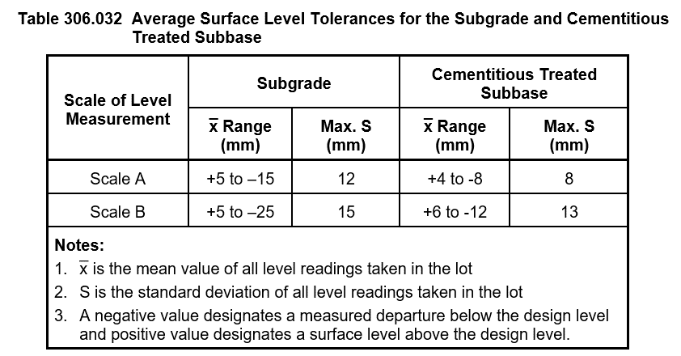
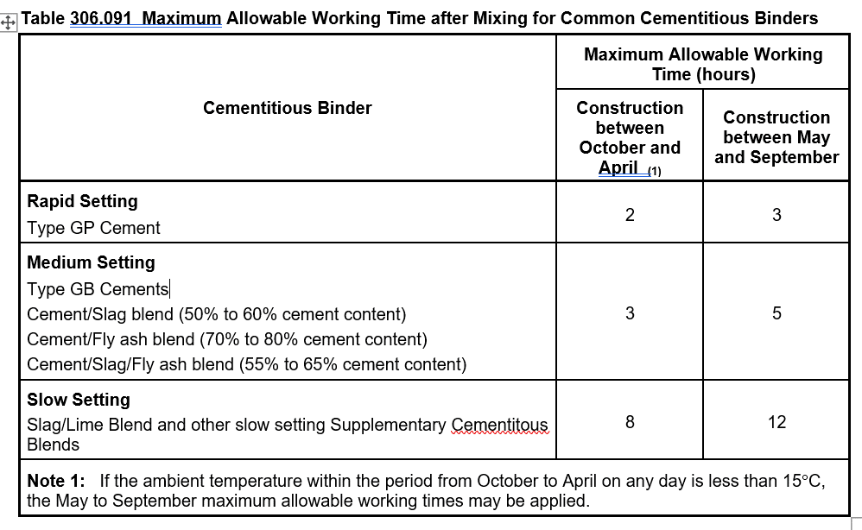
Reference Tables

 | Final Inspection
 | The signature below verifies that this ITP has been completed in accordance with the FH’s Quality system Procedures and verifies lot compliance with specifications.
 | Print Name: |  | Position: |  | Signature: |  |  |  |  | Date: / /

Legend
HP | Hold Point | Work shall not proceed past the HP until released by the Superintendent |  |  | IP | Inspection point |  | Formal Inspection to be done and recorded
HP* | FH Hold Point | Work shall not proceed past the HP* until released by FH |  |  | TP | Test Point |  | Product compliance test to be undertaken and recorded/reported
WP | Witness Point | An inspection which must be witnessed by the Superintendent |  |  | SCP | Survey conformance point |  | A qualified surveyor to check product/section/structure and report
AP | Approval Point | Written or verbal approval given by the Superintendent

